fig 1
Figure 1. Survival at hospital discharge among patients hospitalized with cryptococcal meningitis, by number of lumbar punctures received
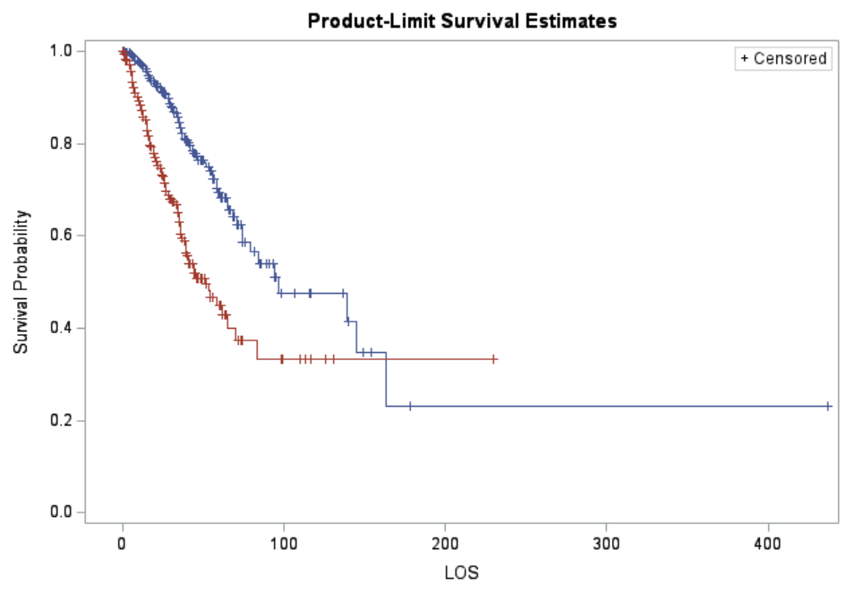
 | This output is from a super simple unadjusted "proc lifetest" in SAS, but I think we need a more sophisticated method that adjusts for covariates
 | either adjusted Cox proportional hazards model?
 | Or IPTW

 | key:
 | 1 LP
 | >1 LP

 |  | TIME | length of stay (LOS)
 |  | EXP | lumbar puncture (1 or more than 1)
 |  | OUTCOME

